Sheet1
2011 Idiot League Head-to-Head Schedule and Results |  |  |  |  | 2011 Idiot League Head-to-Head Standings

Week 1 |  |  | 4/18-4/24 |  | Team | W | L | T | PCT | GB | PF | PA |  | TOT MARGIN | AVG MARGIN
Plow King | 212.7 | vs | Team Fun Bunch | 215.3 | Lumbering Oafs | 12 | 6 | 0 | 0.667 | 0.0 | 4496.7 | 4059.9 |  | 436.8 | 24.3
Lumbering Oafs | 262.0 | vs | Hank's Heroes | 238.7 | Baltimorons | 11 | 7 | 0 | 0.611 | 1.0 | 3811.4 | 3700.1 |  | 111.3 | 6.2
The New Guy | 220.8 | vs | Stonecutters | 131.5 | Stonecutters | 11 | 7 | 0 | 0.611 | 1.0 | 3831.5 | 3815.5 |  | 16.0 | 0.9
Mr. Sparkle | 185.8 | vs | Baltimorons | 254.5 | Plow King | 9 | 9 | 0 | 0.500 | 3.0 | 3877.7 | 3932.7 |  | -55.0 | -3.1
Taylor's Tool Shed | 202.2 | vs | Yankee Clippers | 211.8 | Taylor's Tool Shed | 9 | 9 | 0 | 0.500 | 3.0 | 3826.3 | 3969.7 |  | -143.4 | -8.0
 |  |  |  |  | Team Fun Bunch | 9 | 9 | 0 | 0.500 | 3.0 | 4065.6 | 3913.6 |  | 152.0 | 8.4
Week 2 |  |  | 4/25-5/1 |  | Yankee Clippers | 9 | 9 | 0 | 0.500 | 3.0 | 3980.8 | 3876.9 |  | 103.9 | 5.8
Taylor's Tool Shed | 178.2 | vs | Plow King | 216.3 | The New Guy | 8 | 10 | 0 | 0.444 | 4.0 | 3868.2 | 3878.7 |  | -10.5 | -0.6
Stonecutters | 235.7 | vs | Lumbering Oafs | 176.7 | Hank's Heroes | 7 | 11 | 0 | 0.389 | 5.0 | 3719.4 | 3897.3 |  | -177.9 | -9.9
Yankee Clippers | 235.3 | vs | The New Guy | 157.3 | Mr. Sparkle | 6 | 12 | 0 | 0.333 | 6.0 | 3583.9 | 4017.1 |  | -433.2 | -24.1
Baltimorons | 218.0 | vs | Hank's Heroes | 203.5
Mr. Sparkle | 251.5 | vs | Team Fun Bunch | 249.2 |  |  |  |  |  |  |  |  | 1234.0 | = | Best in Category
 |  |  |  |  |  |  |  |  |  |  |  |  | 5678.0 | = | Worst in Category
Week 3 |  |  | 5/2-5/8
Plow King | 207.0 | vs | Stonecutters | 251.7 | 2nd/3rd Tie-Breaker
Lumbering Oafs | 213.3 | vs | Yankee Clippers | 206.5 | Baltimorons 1-1 vs. Stonecutters HtH Matchups
The New Guy | 147.5 | vs | Baltimorons | 199.2 | Total Points HtH Matchups: STONE 426.4, BALT 419.1 (STONE = 2nd, BALT = 3rd)
Mr. Sparkle | 221.7 | vs | Hank's Heroes | 215.5
Team Fun Bunch | 195.3 | vs | Taylor's Tool Shed | 225.5 | 4th-7th Tie-Breakers:
 |  |  |  |  | HtH Matchup Records: |  |  | Secondary 5th/6th Tie-Breaker:
Week 4 |  |  | 5/9-5/15 |  | PK 4-2 (PK = 4th) |  |  | Taylor's Tool Shed 1-1 vs. Yankee Clippers HtH Matchups
Yankee Clippers | 213.7 | vs | Plow King | 226.7 | TTS 3-3 |  |  | Total Points HtH Matchups: YC 433.1, TTS 424.9 ( YC = 5th, TTS = 6th)
Baltimorons | 200.0 | vs | Lumbering Oafs | 229.3 | TFB 2-4 (TFB = 7th)
Hank's Heroes | 220.0 | vs | The New Guy | 203.7 | YC 3-3
Taylor's Tool Shed | 148.7 | vs | Mr. Sparkle | 167.3
Stonecutters | 232.3 | vs | Team Fun Bunch | 185.0

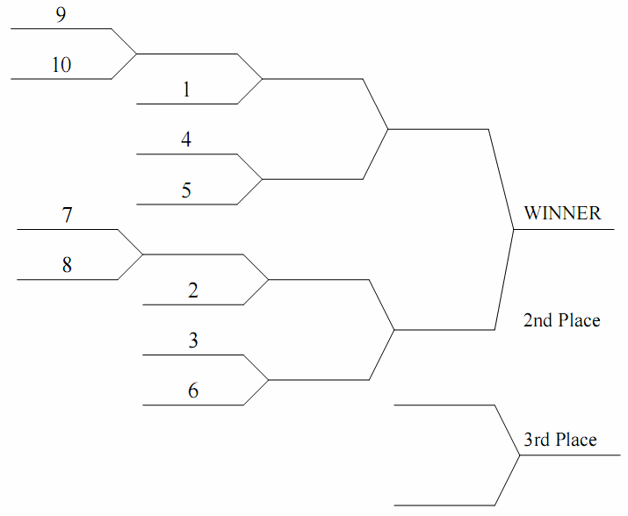
Week 5 |  |  | 5/16-5/22
Plow King | 212.7 | vs | Baltimorons | 245.7 | 2011 Idiot League Head-to-Head Tournament
Lumbering Oafs | 284.8 | vs | Taylor's Tool Shed | 290.2
The New Guy | 187.8 | vs | Team Fun Bunch | 193.7
Mr. Sparkle | 218.7 | vs | Stonecutters | 228.2
Hank's Heroes | 216.8 | vs | Yankee Clippers | 116.0

Week 6 |  |  | 5/23-5/29
Plow King | 268.2 | vs | Lumbering Oafs | 238.3
The New Guy | 242.7 | vs | Mr. Sparkle | 199.2
Hank's Heroes | 143.3 | vs | Team Fun Bunch | 207.3
Taylor's Tool Shed | 206.5 | vs | Stonecutters | 198.3
Yankee Clippers | 197.2 | vs | Baltimorons | 152.2

Week 7 |  |  | 5/30-6/5
The New Guy | 184.7 | vs | Plow King | 194.7
Mr. Sparkle | 146.5 | vs | Lumbering Oafs | 329.0
Taylor's Tool Shed | 266.3 | vs | Hank's Heroes | 272.0
Baltimorons | 184.2 | vs | Team Fun Bunch | 184.0
Yankee Clippers | 196.3 | vs | Stonecutters | 219.3

Week 8 |  |  | 6/6-6/12
Plow King | 245.0 | vs | Mr. Sparkle | 220.5
Lumbering Oafs | 260.8 | vs | The New Guy | 248.0
Hank's Heroes | 226.7 | vs | Stonecutters | 246.7
Team Fun Bunch | 230.2 | vs | Yankee Clippers | 254.5
Taylor's Tool Shed | 144.3 | vs | Baltimorons | 160.3

Week 9 |  |  | 6/13-6/19
Hank's Heroes | 187.5 | vs | Plow King | 161.7
Team Fun Bunch | 317.5 | vs | Lumbering Oafs | 203.3
Taylor's Tool Shed | 186.5 | vs | The New Guy | 219.2
Baltimorons | 241.3 | vs | Stonecutters | 222.2
Mr. Sparkle | 265.5 | vs | Yankee Clippers | 198.8

Week 10 |  |  | 6/20-6/26
Team Fun Bunch | 211.5 | vs | Plow King | 182.0
Hank's Heroes | 133.3 | vs | Lumbering Oafs | 257.8
Stonecutters | 179.5 | vs | The New Guy | 221.7
Baltimorons | 184.0 | vs | Mr. Sparkle | 166.8
Yankee Clippers | 221.3 | vs | Taylor's Tool Shed | 222.7

Week 11 |  |  | 6/27-7/3
Plow King | 206.0 | vs | Taylor's Tool Shed | 188.3
Lumbering Oafs | 246.7 | vs | Stonecutters | 251.8
The New Guy | 206.3 | vs | Yankee Clippers | 275.8
Hank's Heroes | 194.5 | vs | Baltimorons | 223.2
Team Fun Bunch | 196.0 | vs | Mr. Sparkle | 207.2

Week 12 |  |  | 7/4-7/10
Stonecutters | 205.2 | vs | Plow King | 278.7
Yankee Clippers | 212.8 | vs | Lumbering Oafs | 226.0
Baltimorons | 192.3 | vs | The New Guy | 236.8
Hank's Heroes | 230.2 | vs | Mr. Sparkle | 217.7
Taylor's Tool Shed | 272.2 | vs | Team Fun Bunch | 264.8

All-Star Week |  |  | 7/11-7/17
No Head-to Head Games Scheduled

Week 13 |  |  | 7/18-7/24
Plow King | 254.2 | vs | Yankee Clippers | 230.5
Lumbering Oafs | 238.8 | vs | Baltimorons | 226.2
The New Guy | 203.0 | vs | Hank's Heroes | 166.0
Mr. Sparkle | 168.8 | vs | Taylor's Tool Shed | 197.0
Team Fun Bunch | 227.8 | vs | Stonecutters | 206.7

Week 14 |  |  | 7/25-7/31
Baltimorons | 236.8 | vs | Plow King | 228.7
Taylor's Tool Shed | 258.5 | vs | Lumbering Oafs | 229.7
Team Fun Bunch | 290.7 | vs | The New Guy | 238.7
Stonecutters | 177.8 | vs | Mr. Sparkle | 164.5
Yankee Clippers | 295.5 | vs | Hank's Heroes | 192.2

Week 15 |  |  | 8/1-8/7
Lumbering Oafs | 305.0 | vs | Plow King | 202.3
Mr. Sparkle | 194.5 | vs | The New Guy | 278.0
Team Fun Bunch | 229.0 | vs | Hank's Heroes | 226.2
Stonecutters | 214.7 | vs | Taylor's Tool Shed | 203.7
Baltimorons | 221.7 | vs | Yankee Clippers | 262.8

Week 16 |  |  | 8/8-8/14
Plow King | 220.7 | vs | The New Guy | 272.8
Lumbering Oafs | 269.2 | vs | Mr. Sparkle | 191.7
Hank's Heroes | 250.7 | vs | Taylor's Tool Shed | 165.7
Team Fun Bunch | 224.5 | vs | Baltimorons | 198.3
Stonecutters | 208.0 | vs | Yankee Clippers | 208.3

Week 17 |  |  | 8/15-8/21
Mr. Sparkle | 152.0 | vs | Plow King | 175.8
The New Guy | 206.5 | vs | Lumbering Oafs | 285.0
Stonecutters | 217.7 | vs | Hank's Heroes | 207.3
Yankee Clippers | 246.2 | vs | Team Fun Bunch | 218.3
Baltimorons | 295.7 | vs | Taylor's Tool Shed | 216.5

Week 18 |  |  | 8/22-8/28
Plow King | 184.3 | vs | Hank's Heroes | 195.0
Lumbering Oafs | 241.0 | vs | Team Fun Bunch | 225.5
The New Guy | 192.7 | vs | Taylor's Tool Shed | 253.3
Stonecutters | 204.2 | vs | Baltimorons | 177.8
Yankee Clippers | 197.5 | vs | Mr. Sparkle | 244.0

Week 19 - P1 |  |  | 8/29-9/4
#7 Team Fun Bunch | 247.3 | vs | #8 The New Guy | 196.8
#9 Hank's Heroes | 218.5 | vs | #10 Mr. Sparkle | 229.3

Week 20 - P2 |  |  | 9/5-9/11
#1 Lumbering Oafs | 179.0 | vs | #10 Mr. Sparkle | 213.5
#4 Plow King | 160.7 | vs | #5 Yankee Clippers | 230.3
#2 Baltimorons | 266.3 | vs | #7 Team Fun Bunch | 290.5
#3 Stonecutters | 179.7 | vs | #6 Taylor's Tool Shed | 240.7

Week 21 - P3 |  |  | 9/12-9/18
#5 Yankee Clippers | 206.0 | vs | #10 Mr. Sparkle | 151.2
#6 Taylor's Tool Shed | 296.7 | vs | #7 Team Fun Bunch | 290.2

Week 21 - P4 |  |  | 9/19-9/25
CHAMPIONSHIP GAME
#5 Yankee Clippers | 342.0 | vs | #6 Taylor's Tool Shed | 302.5

