Sheet1
2010 Idiot League Head-to-Head Schedule and Results |  |  |  |  |  | 2010 Idiot League Head-to-Head Standings

Week 1 |  |  | 4/19-4/25 |  |  | Team | W | L | T | PCT | GB | STR | PF | PA |  | TOT MARGIN | AVG MARGIN
Plow King | 246.0 | vs | Team Fun Bunch | 217.0 | 1 | Lumbering Oafs | 13 | 5 | 0 | 0.722 | 0.0 | L1 | 4482.0 | 3909.4 |  | 572.6 | 31.8
Lumbering Oafs | 246.8 | vs | Hank's Heroes | 236.0 | 2 | Plow King | 11 | 7 | 0 | 0.611 | 2.0 | L2 | 3749.2 | 3775.0 |  | -25.8 | -1.4
The New Guy | 177.0 | vs | Stonecutters | 204.0 | * 3 | Mr. Sparkle | 10 | 8 | 0 | 0.556 | 3.0 | W4 | 3843.7 | 3728.2 |  | 115.5 | 6.4
Mr. Sparkle | 216.7 | vs | Baltimorons | 133.3 | * 4 | Baltimorons | 10 | 8 | 0 | 0.556 | 3.0 | W1 | 3864.6 | 3847.8 |  | 16.8 | 0.9
Taylor's Tool Shed | 160.3 | vs | Yankee Clippers | 258.8 | ** 5 | Stonecutters | 9 | 9 | 0 | 0.500 | 4.0 | L1 | 3753.3 | 3717.6 |  | 35.7 | 2.0
 |  |  |  |  | ** 6 | Taylor's Tool Shed | 9 | 9 | 0 | 0.500 | 4.0 | L1 | 3837.9 | 3846.9 |  | -9.0 | -0.5
Week 2 |  |  | 4/26-5/2 |  | ** 7 | Team Fun Bunch | 9 | 9 | 0 | 0.500 | 4.0 | W2 | 3857.5 | 3681.4 |  | 176.1 | 9.8
Taylor's Tool Shed | 255.5 | vs | Plow King | 184.7 | *** 8 | The New Guy | 7 | 11 | 0 | 0.389 | 6.0 | W1 | 3671.4 | 3850.9 |  | -179.5 | -10.0
Stonecutters | 179.5 | vs | Lumbering Oafs | 261.0 | *** 9 | Yankee Clippers | 7 | 11 | 0 | 0.389 | 6.0 | L2 | 4193.2 | 4251.2 |  | -58.0 | -3.2
Yankee Clippers | 196.3 | vs | The New Guy | 250.2 | 10 | Hank's Heroes | 5 | 13 | 0 | 0.278 | 8.0 | W1 | 3342.7 | 3987.1 |  | -644.4 | -35.8
Baltimorons | 267.0 | vs | Hank's Heroes | 147.0
Mr. Sparkle | 174.5 | vs | Team Fun Bunch | 291.2 |  |  |  |  |  |  |  |  |  | 1234.0 | = | Best in Category
 |  |  |  |  |  |  |  |  |  |  |  |  |  | 5678.0 | = | Worst in Category
Week 3 |  |  | 5/3-5/9
Plow King | 214.7 | vs | Stonecutters | 171.7 | * | Mr. Sparkle wins first tie-breaker over Baltimorons (2-0 HtH matchup record)
Lumbering Oafs | 227.0 | vs | Yankee Clippers | 289.3 | ** | Stonecutters wins 5th, Taylor's Tool Shed 6th, Team Fun Bunch 7th in first tie-breaker (3-2-1 round-robin HtH matchup record)
The New Guy | 207.3 | vs | Baltimorons | 174.0 | *** | The New Guy wins first tie-breaker over Yankee Clippers (2-0 HtH matchup record)
Mr. Sparkle | 163.2 | vs | Hank's Heroes | 172.7
Team Fun Bunch | 221.3 | vs | Taylor's Tool Shed | 217.2

Week 4 |  |  | 5/10-5/16
Yankee Clippers | 238.3 | vs | Plow King | 168.8
Baltimorons | 244.5 | vs | Lumbering Oafs | 238.3 |  | 2010 Idiot League Head-to-Head Tournament
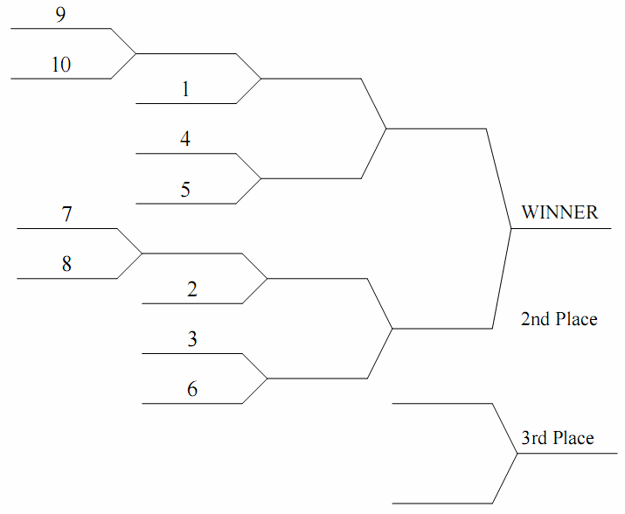
Hank's Heroes | 174.7 | vs | The New Guy | 171.0
Taylor's Tool Shed | 168.2 | vs | Mr. Sparkle | 147.5
Stonecutters | 200.2 | vs | Team Fun Bunch | 184.2

Week 5 |  |  | 5/17-5/23
Plow King | 270.2 | vs | Baltimorons | 255.2
Lumbering Oafs | 275.5 | vs | Taylor's Tool Shed | 227.7
The New Guy | 269.3 | vs | Team Fun Bunch | 242.2
Mr. Sparkle | 206.7 | vs | Stonecutters | 203.0
Hank's Heroes | 314.0 | vs | Yankee Clippers | 244.8

Week 6 |  |  | 5/24-5/30
Plow King | 173.2 | vs | Lumbering Oafs | 286.8
The New Guy | 189.2 | vs | Mr. Sparkle | 161.3
Hank's Heroes | 106.2 | vs | Team Fun Bunch | 189.0
Taylor's Tool Shed | 161.5 | vs | Stonecutters | 221.5
Yankee Clippers | 227.0 | vs | Baltimorons | 258.7

Week 7 |  |  | 5/31-6/6
The New Guy | 211.7 | vs | Plow King | 259.0
Mr. Sparkle | 272.3 | vs | Lumbering Oafs | 233.3
Taylor's Tool Shed | 214.8 | vs | Hank's Heroes | 184.8
Baltimorons | 223.0 | vs | Team Fun Bunch | 207.0
Yankee Clippers | 229.0 | vs | Stonecutters | 215.5

Week 8 |  |  | 6/7-6/13
Plow King | 280.3 | vs | Mr. Sparkle | 220.2
Lumbering Oafs | 272.0 | vs | The New Guy | 194.7
Hank's Heroes | 202.3 | vs | Stonecutters | 288.7
Team Fun Bunch | 258.8 | vs | Yankee Clippers | 194.3
Taylor's Tool Shed | 201.3 | vs | Baltimorons | 182.3

Week 9 |  |  | 6/14-6/20
Hank's Heroes | 160.8 | vs | Plow King | 234.0
Team Fun Bunch | 209.2 | vs | Lumbering Oafs | 262.5
Taylor's Tool Shed | 261.3 | vs | The New Guy | 149.3
Baltimorons | 135.8 | vs | Stonecutters | 172.7
Mr. Sparkle | 234.0 | vs | Yankee Clippers | 286.3

Week 10 |  |  | 6/21-6/27
Team Fun Bunch | 198.5 | vs | Plow King | 206.8
Hank's Heroes | 212.7 | vs | Lumbering Oafs | 239.5
Stonecutters | 244.8 | vs | The New Guy | 173.8
Baltimorons | 124.7 | vs | Mr. Sparkle | 222.0
Yankee Clippers | 246.8 | vs | Taylor's Tool Shed | 229.2

Week 11 |  |  | 6/28-7/4
Plow King | 176.3 | vs | Taylor's Tool Shed | 159.0
Lumbering Oafs | 272.5 | vs | Stonecutters | 183.0
The New Guy | 232.0 | vs | Yankee Clippers | 180.2
Hank's Heroes | 145.7 | vs | Baltimorons | 235.7
Team Fun Bunch | 219.3 | vs | Mr. Sparkle | 182.0

Week 12 |  |  | 7/5-7/11
Stonecutters | 194.8 | vs | Plow King | 217.3
Yankee Clippers | 218.5 | vs | Lumbering Oafs | 238.3
Baltimorons | 262.3 | vs | The New Guy | 223.7
Hank's Heroes | 193.5 | vs | Mr. Sparkle | 316.3
Taylor's Tool Shed | 261.3 | vs | Team Fun Bunch | 220.2

All-Star Week |  |  | 7/12-7/18
No Head-to Head Games Scheduled

Week 13 |  |  | 7/19-7/25
Plow King | 252.0 | vs | Yankee Clippers | 208.8
Lumbering Oafs | 252.2 | vs | Baltimorons | 169.3
The New Guy | 213.5 | vs | Hank's Heroes | 146.3
Mr. Sparkle | 235.8 | vs | Taylor's Tool Shed | 195.7
Team Fun Bunch | 215.7 | vs | Stonecutters | 243.8

Week 14 |  |  | 7/26-8/1
Baltimorons | 246.0 | vs | Plow King | 208.8
Taylor's Tool Shed | 245.5 | vs | Lumbering Oafs | 298.3
Team Fun Bunch | 192.3 | vs | The New Guy | 185.8
Stonecutters | 259.8 | vs | Mr. Sparkle | 181.0
Yankee Clippers | 239.2 | vs | Hank's Heroes | 287.5

Week 15 |  |  | 8/2-8/8
Lumbering Oafs | 215.7 | vs | Plow King | 185.7
Mr. Sparkle | 226.2 | vs | The New Guy | 150.7
Team Fun Bunch | 181.3 | vs | Hank's Heroes | 152.2
Stonecutters | 198.5 | vs | Taylor's Tool Shed | 208.7
Baltimorons | 296.0 | vs | Yankee Clippers | 250.8

Week 16 |  |  | 8/9-8/15
Plow King | 175.8 | vs | The New Guy | 172.2
Lumbering Oafs | 237.0 | vs | Mr. Sparkle | 250.8
Hank's Heroes | 178.2 | vs | Taylor's Tool Shed | 213.7
Team Fun Bunch | 202.5 | vs | Baltimorons | 212.7
Stonecutters | 165.2 | vs | Yankee Clippers | 274.3

Week 17 |  |  | 8/16-8/22
Mr. Sparkle | 186.0 | vs | Plow King | 171.8
The New Guy | 226.2 | vs | Lumbering Oafs | 274.0
Stonecutters | 204.8 | vs | Hank's Heroes | 151.3
Yankee Clippers | 192.3 | vs | Team Fun Bunch | 216.5
Baltimorons | 193.3 | vs | Taylor's Tool Shed | 252.8

Week 18 |  |  | 8/23-8/29
Plow King | 123.8 | vs | Hank's Heroes | 176.8
Lumbering Oafs | 151.3 | vs | Team Fun Bunch | 191.3
The New Guy | 273.8 | vs | Taylor's Tool Shed | 204.2
Stonecutters | 201.8 | vs | Baltimorons | 250.8
Yankee Clippers | 218.2 | vs | Mr. Sparkle | 247.2

Week 19 - P1 |  |  | 8/30-9/5
#7 (Team Fun Bunch) | 149.3 | vs | #8 (The New Guy) | 221.3
#9 (Yankee Clippers) | 199.2 | vs | #10 (Hank's Heroes) | 176.5

Week 20 - P2 |  |  | 9/6-9/12
#1 (Lumbering Oafs) | 330.0 | vs | #9 (Yankee Clippers) | 212.2
#4 (Baltimorons) | 199.0 | vs | #5 (Stonecutters) | 194.8
#2 (Plow King) | 127.2 | vs | #8 (The New Guy) | 171.3
#3 (Mr. Sparkle) | 95.8 | vs | #6 (Taylor's Tool Shed) | 209.5

Week 21 - P3 |  |  | 9/13-9/19
#1 (Lumbering Oafs) | 271.8 | vs | #4 (Baltimorons) | 258.5
#6 (Taylor's Tool Shed) | 222.0 | vs | #8 (The New Guy) | 163.5

Week 21 - P4 |  |  | 9/20-9/26
CHAMPIONSHIP GAME
#1 (Lumbering Oafs) | 206.2 | vs | #6 (Taylor's Tool Shed) | 154.5

