Sheet1
2009 Idiot League Head-to-Head Schedule and Results |  |  |  |  |  | 2009 Idiot League Head-to-Head Standings

Week 1 |  |  | 4/20-4/26 |  |  | Team | W | L | T | PCT | GB | STR | PF | PA |  | TOT MARGIN | AVG MARGIN
Plow King | 253.3 | vs | Team Fun Bunch | 186.8 | 1 | Team Fun Bunch | 12 | 6 | 0 | 0.667 | 0.0 | W2 | 4235.5 | 3983.0 |  | 252.5 | 14.0
Lumbering Oafs | 248.0 | vs | Hank's Heroes | 190.5 | 2 | Baltimorons | 11 | 7 | 0 | 0.611 | 1.0 | L2 | 3880.7 | 3743.0 |  | 137.7 | 7.6
The New Guy | 204.8 | vs | Stonecutters | 180.0 | 2 | The New Guy | 10 | 8 | 0 | 0.556 | 2.0 | W1 | 3819.1 | 3979.3 |  | -160.2 | -8.9
Mr. Sparkle | 157.5 | vs | Baltimorons | 200.8 | 4 | Plow King | 9 | 8 | 1 | 0.529 | 2.5 | W1 | 3841.8 | 3863.9 |  | -22.1 | -1.3
Taylor's Tool Shed | 229.2 | vs | Yankee Clippers | 251.0 | 5 | Stonecutters | 9 | 8 | 1 | 0.529 | 2.5 | W5 | 3819.9 | 4057.4 |  | -237.5 | -14.0
 |  |  |  |  | 6 | Lumbering Oafs | 9 | 9 | 0 | 0.500 | 3.0 | L1 | 4301.1 | 4089.0 |  | 212.1 | 11.8
Week 2 |  |  | 4/27-5/3 |  | 7 | Yankee Clippers | 9 | 9 | 0 | 0.500 | 3.0 | W1 | 4502.8 | 4353.1 |  | 149.7 | 8.3
Taylor's Tool Shed | 276.5 | vs | Plow King | 173.0 | 8 | Taylor's Tool Shed | 9 | 9 | 0 | 0.500 | 3.0 | L1 | 4234.6 | 3983.9 |  | 250.7 | 13.9
Stonecutters | 191.2 | vs | Lumbering Oafs | 172.7 | 9 | Mr. Sparkle | 8 | 10 | 0 | 0.444 | 4.0 | L1 | 3702.7 | 3811.1 |  | -108.4 | -6.0
Yankee Clippers | 219.3 | vs | The New Guy | 246.5 | 10 | Hank's Heroes | 3 | 15 | 0 | 0.167 | 9.0 | L5 | 3656.9 | 4131.4 |  | -474.5 | -26.4
Baltimorons | 208.7 | vs | Hank's Heroes | 271.7
Mr. Sparkle | 207.2 | vs | Team Fun Bunch | 268.0 |  |  |  |  |  |  |  |  |  | 1234.0 | = | Best in Category
 |  |  |  |  |  |  |  |  |  |  |  |  |  | 5678.0 | = | Worst in Category
Week 3 |  |  | 5/4-5/10
Plow King | 307.3 | vs | Stonecutters | 228.8
Lumbering Oafs | 340.0 | vs | Yankee Clippers | 180.2
The New Guy | 241.0 | vs | Baltimorons | 231.2 |  | 2009 Idiot League Head-to-Head Tournament
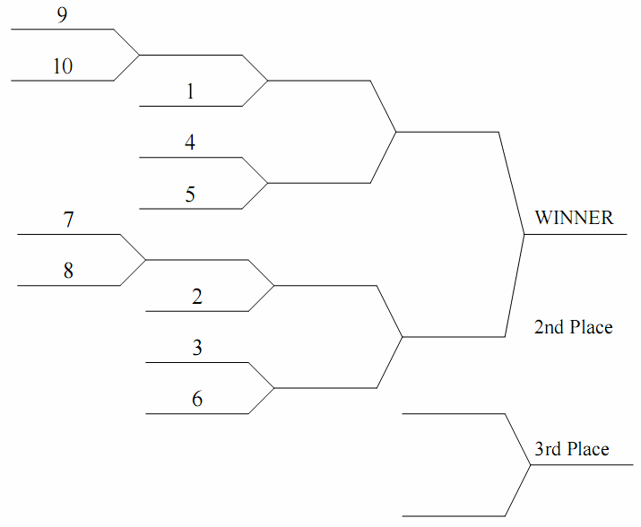
Mr. Sparkle | 350.8 | vs | Hank's Heroes | 223.5
Team Fun Bunch | 267.5 | vs | Taylor's Tool Shed | 343.5

Week 4 |  |  | 5/11-5/17
Yankee Clippers | 194.5 | vs | Plow King | 277.3
Baltimorons | 253.5 | vs | Lumbering Oafs | 230.8
Hank's Heroes | 190.8 | vs | The New Guy | 201.3
Taylor's Tool Shed | 172.7 | vs | Mr. Sparkle | 234.7
Stonecutters | 208.8 | vs | Team Fun Bunch | 219.8

Week 5 |  |  | 5/18-5/24
Plow King | 189.8 | vs | Baltimorons | 264.5
Lumbering Oafs | 226.3 | vs | Taylor's Tool Shed | 212.3
The New Guy | 166.2 | vs | Team Fun Bunch | 227.2
Mr. Sparkle | 210.2 | vs | Stonecutters | 194.0
Hank's Heroes | 235.2 | vs | Yankee Clippers | 252.0

Week 6 |  |  | 5/25-5/31
Plow King | 245.8 | vs | Lumbering Oafs | 218.2
The New Guy | 199.0 | vs | Mr. Sparkle | 197.5
Hank's Heroes | 210.3 | vs | Team Fun Bunch | 223.8
Taylor's Tool Shed | 248.0 | vs | Stonecutters | 174.7
Yankee Clippers | 242.8 | vs | Baltimorons | 258.5

Week 7 |  |  | 6/1-6/7
The New Guy | 163.5 | vs | Plow King | 195.7
Mr. Sparkle | 158.0 | vs | Lumbering Oafs | 184.8
Taylor's Tool Shed | 235.7 | vs | Hank's Heroes | 221.7
Baltimorons | 224.2 | vs | Team Fun Bunch | 209.8
Yankee Clippers | 265.8 | vs | Stonecutters | 224.8

Week 8 |  |  | 6/8-6/14
Plow King | 156.0 | vs | Mr. Sparkle | 158.2
Lumbering Oafs | 265.8 | vs | The New Guy | 183.8
Hank's Heroes | 228.7 | vs | Stonecutters | 264.8
Team Fun Bunch | 258.5 | vs | Yankee Clippers | 286.3
Taylor's Tool Shed | 210.2 | vs | Baltimorons | 216.5

Week 9 |  |  | 6/15-6/21
Hank's Heroes | 158.7 | vs | Plow King | 207.0
Team Fun Bunch | 325.3 | vs | Lumbering Oafs | 246.2
Taylor's Tool Shed | 217.5 | vs | The New Guy | 272.0
Baltimorons | 179.8 | vs | Stonecutters | 198.5
Mr. Sparkle | 175.8 | vs | Yankee Clippers | 159.7

Week 10 |  |  | 6/22-6/28
Team Fun Bunch | 223.0 | vs | Plow King | 197.3
Hank's Heroes | 255.3 | vs | Lumbering Oafs | 218.3
Stonecutters | 186.5 | vs | The New Guy | 180.3
Baltimorons | 189.0 | vs | Mr. Sparkle | 202.3
Yankee Clippers | 200.3 | vs | Taylor's Tool Shed | 251.0

Week 11 |  |  | 6/29-7/5
Plow King | 182.0 | vs | Taylor's Tool Shed | 181.3
Lumbering Oafs | 333.7 | vs | Stonecutters | 156.2
The New Guy | 221.7 | vs | Yankee Clippers | 315.8
Hank's Heroes | 187.3 | vs | Baltimorons | 194.8
Team Fun Bunch | 203.3 | vs | Mr. Sparkle | 186.5

Week 12 |  |  | 7/6-7/12
Stonecutters | 244.8 | vs | Plow King | 244.8
Yankee Clippers | 322.5 | vs | Lumbering Oafs | 259.5
Baltimorons | 190.0 | vs | The New Guy | 211.2
Hank's Heroes | 170.7 | vs | Mr. Sparkle | 203.5
Taylor's Tool Shed | 233.8 | vs | Team Fun Bunch | 206.0

All-Star Week |  |  | 7/13-7/19
No Head-to Head Games Scheduled

Week 13 |  |  | 7/20-7/26
Plow King | 174.2 | vs | Yankee Clippers | 284.2
Lumbering Oafs | 200.5 | vs | Baltimorons | 257.5
The New Guy | 197.0 | vs | Hank's Heroes | 236.3
Mr. Sparkle | 216.3 | vs | Taylor's Tool Shed | 236.2
Team Fun Bunch | 266.0 | vs | Stonecutters | 237.5

Week 14 |  |  | 7/27-8/2
Baltimorons | 236.3 | vs | Plow King | 176.7
Taylor's Tool Shed | 263.5 | vs | Lumbering Oafs | 293.7
Team Fun Bunch | 253.0 | vs | The New Guy | 193.3
Stonecutters | 258.5 | vs | Mr. Sparkle | 198.2
Yankee Clippers | 289.7 | vs | Hank's Heroes | 250.5

Week 15 |  |  | 8/3-8/9
Lumbering Oafs | 210.3 | vs | Plow King | 264.2
Mr. Sparkle | 237.7 | vs | The New Guy | 265.8
Team Fun Bunch | 186.0 | vs | Hank's Heroes | 113.3
Stonecutters | 202.5 | vs | Taylor's Tool Shed | 177.2
Baltimorons | 236.0 | vs | Yankee Clippers | 227.5

Week 16 |  |  | 8/10-8/16
Plow King | 175.0 | vs | The New Guy | 208.8
Lumbering Oafs | 243.2 | vs | Mr. Sparkle | 225.8
Hank's Heroes | 170.0 | vs | Taylor's Tool Shed | 257.5
Team Fun Bunch | 181.8 | vs | Baltimorons | 187.7
Stonecutters | 293.2 | vs | Yankee Clippers | 276.7

Week 17 |  |  | 8/17-8/23
Mr. Sparkle | 259.8 | vs | Plow King | 229.7
The New Guy | 172.2 | vs | Lumbering Oafs | 199.8
Stonecutters | 199.8 | vs | Hank's Heroes | 176.7
Yankee Clippers | 278.3 | vs | Team Fun Bunch | 298.5
Baltimorons | 185.0 | vs | Taylor's Tool Shed | 228.3

Week 18 |  |  | 8/24-8/30
Plow King | 192.7 | vs | Hank's Heroes | 165.7
Lumbering Oafs | 209.3 | vs | Team Fun Bunch | 231.2
The New Guy | 290.7 | vs | Taylor's Tool Shed | 260.2
Stonecutters | 175.3 | vs | Baltimorons | 166.7
Yankee Clippers | 256.2 | vs | Mr. Sparkle | 122.7

Week 19 - P1 |  |  | 8/31-9/6
#7 - Yankee Clippers | 257.2 | vs | #8 - Taylor's Tool Shed | 279.3
#9 - Mr. Sparkle | 256.8 | vs | #10 - Hank's Heroes | 169.8

Week 20 - P2 |  |  | 9/7-9/13
#1 - Team Fun Bunch | 232.3 | vs | #9 - Mr. Sparkle | 176.2
#4 - Plow King | 156.3 | vs | #5 - Stonecutters | 219.5
#2 - Baltimorons | 235.0 | vs | #8 Taylor's Tool Shed | 264.7
#3 The New Guy | 198.8 | vs | #6 - Lumbering Oafs | 145.0

Week 21 - P3 |  |  | 9/14-9/20
#1 - Team Fun Bunch | 181.8 | vs | #5 - Stonecutters | 178.2
#8 - Taylor's Tool Shed | 213.7 | vs | #3 - The New Guy | 221.5

Week 21 - P4 |  |  | 9/21-9/27
CHAMPIONSHIP GAME
#1 - Team Fun Bunch | 265.3 | vs | #3 - The New Guy | 236.7
3RD-PLACE GAME
#5 - Stonecutters | 241.3 | vs | #8 - Taylor's Tool Shed | 278.8

